0413
 | Loyout Notes | Schematic | References
1 | 1. Route signal P0011_S1_ADC1 as a 50Ω impedance-controlled trace referenced to GND33A_ADC32. 2. Channel ：S1_DCH001~S1_DCH032 referenced to GND33A_ADC32. | 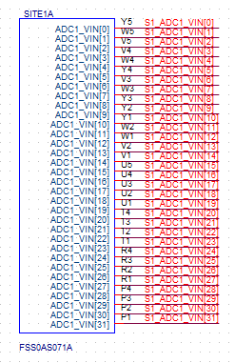
2 | 1. Route signal P0012_S1_ADC2_CH as a 50Ω impedance-controlled trace referenced to GND33A_ADC12. 2. Channel ：S1_DCH033~S1_DCH044 referenced to GND33A_ADC12. | 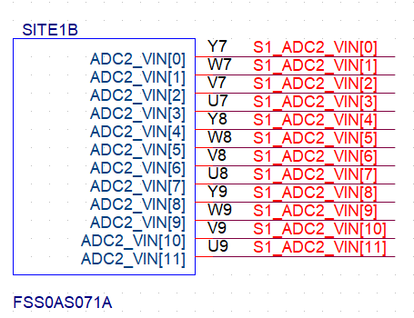
3 | 1. Channel ：S1_DCH045~S1_DCH245 referenced to DGND | 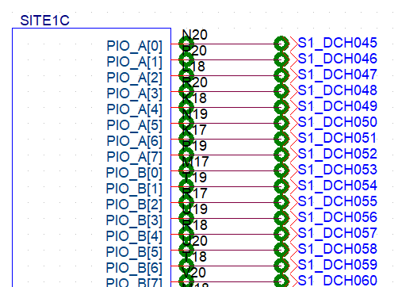
4 | 1. Channel ：S1_DCH246referenced to GNDA_REG | 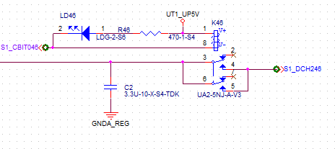
5 | Please refer to the schematic to confirm the power supply reference ground (GND) and perform GND segmentation. When cutting the GND, make sure it is done on the corresponding layer of the same power supply. Channels may be used; please configure them according to the instructions on the circuit layout page.
6 | Power merge must be within the same group and cannot cross groups.An odd number is required as the leader, followed by consecutive numbers.If the leader is the odd number 1, the following numbers will be 2, 3, 4, and so on. | 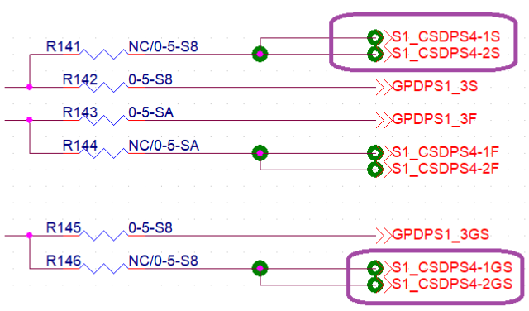 | For POWER design reference, see case 980FY-S135BB-1AH-A10.
7 | Please refer to X01-Assign_List for the Assign Rule.
8 | Components are placed on the bottom (BOT) side, except for LEDs and test points.

0416
 | Modifications
1 | No relay pins allowed in the package keepout zone. | 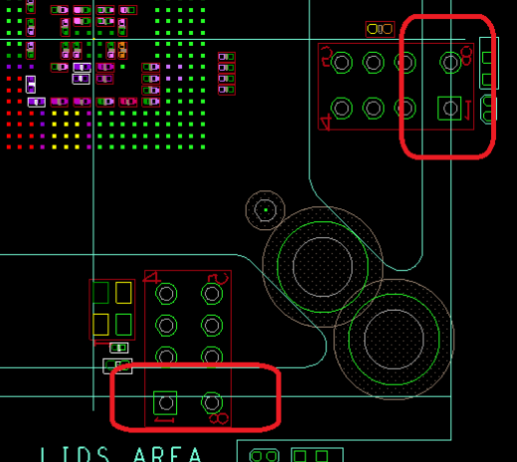
2 | There are split grounds in this design. If you find the layer count is not enough, please let us know so we can discuss it.

0417
 | Modifications | Schematic | Reference
1 | 1. ADD Bead , Please Update circuit diagrams 2. Ferrite beads and ground nets should be distributed around the perimeter of the board or assigned along the GND net path. | 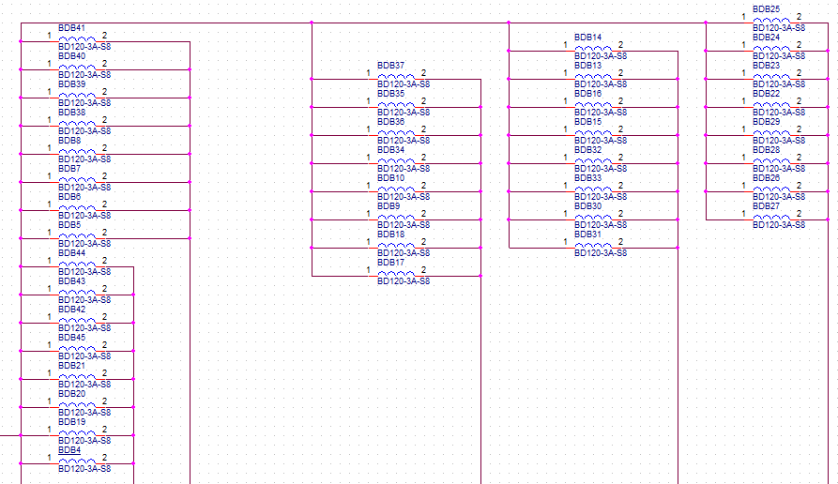 | 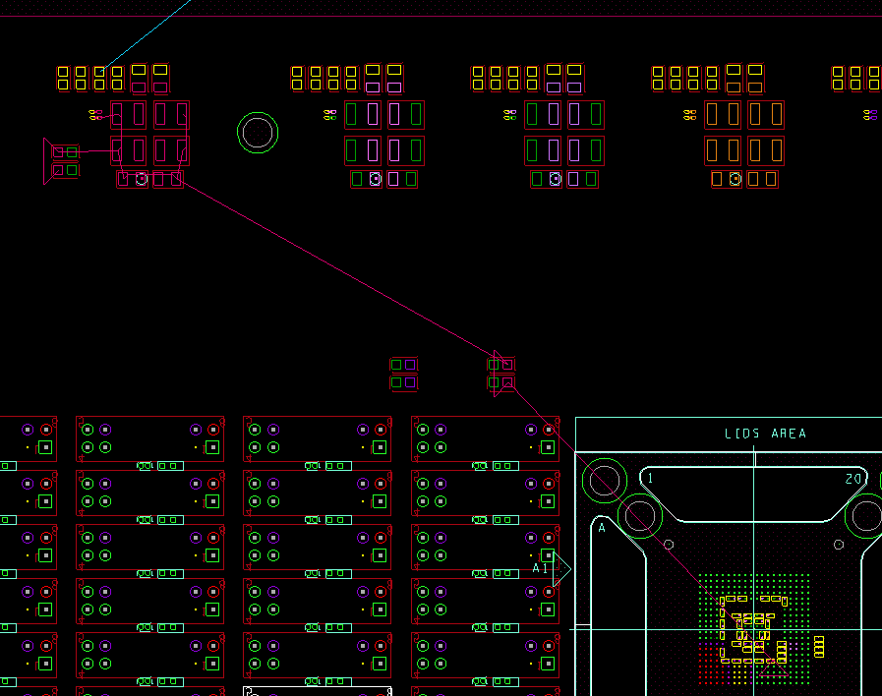
2 | No relay pins allowed in the package keepout zone. | 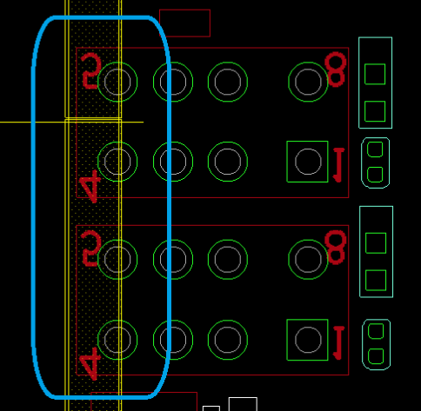

0417_Itest
 | Modifications | Schematic | Reference
1 | 1. We are planning to do the 3 Digital powers in layer 16 DPS so it will have DGND reference on both sides. |  | 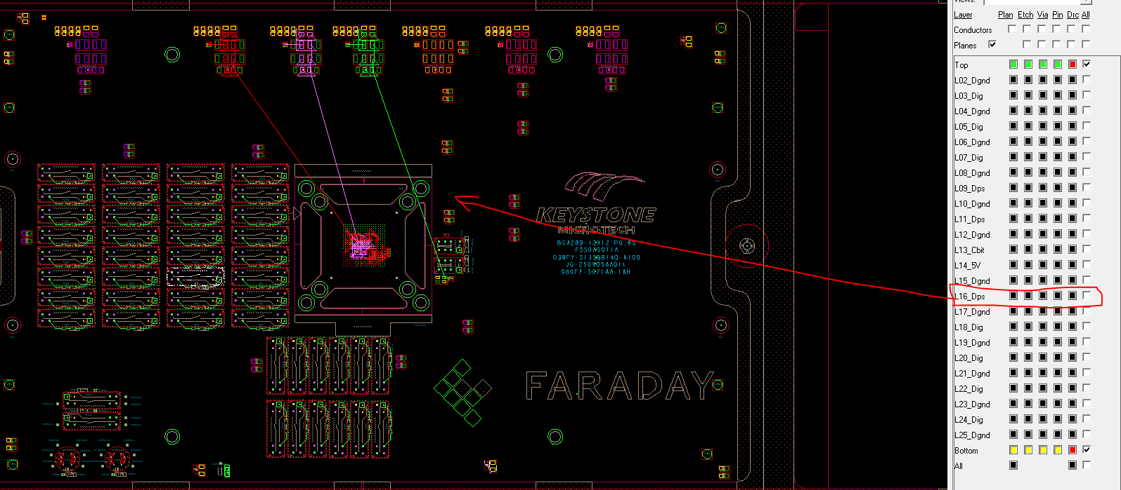
2 | 1. We have placed the ferrite bead now on the path. And will be moved according to the GND flow path |  | 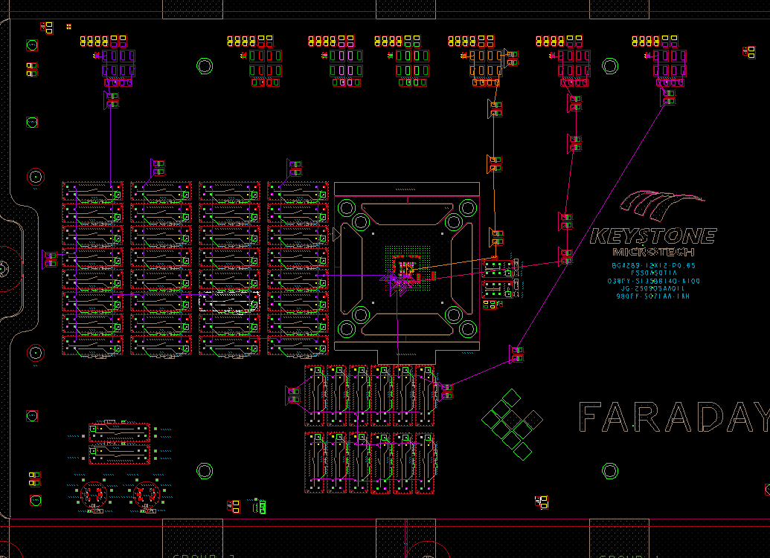

3 | 1. We cant exactly split the GND on on layers. We will make sure the Signal and power routing will have the respective GND reference on both sides.

